Schematics
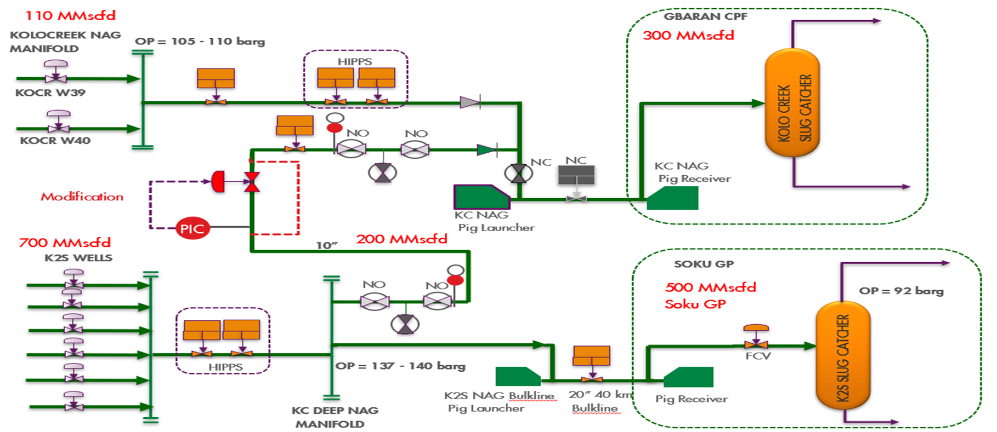
 | K2S Loop Line Allocation Meter requirement

M^{G}
M^{S}

WGM
WGM
KOCR 39 & 40
KOCR 43 to 49
tag:
GBRG1 111FI401
SOKU GP
GBAR CPF
M
M

GBAR KOCR
SC
SOKU
KOCR SC

 |  | 10
K2S Manifold
V
V
V

SOKU NAG
OTHER GBAR WELLS
WGM

 |  | Allocation Meter req
WGM
WGM

PCV

 |  | Tag: KOLS210PV009

WGM
 |  |  | Bulk Wet gas meter | Consider clamp on… Ultrasonic or Tracer dulition

M
 |  |  | Allocation Export Meter

WGM

 |  |  | Wet Gas Allocation Meter

M

 |  |  | Slug catcher Meter

PCV

 |  |  | Pressure control valve

